Rocket Dog
 |  |  |  |  | 
REP_1 | CUSTOMER | CUST_NAME | ORDER_NO | CTRL_NO | STYLE | COLOR | ITEM ID | IMAGE | Total pair | 6.0 | 6.5 | 7.0 | 7.5 | 8.0 | 8.5 | 9.0 | 9.5 | 10.0 | 11.0
046 | ASSOC | ASSOCIATED FOOTWEAR INC | 012221 | 209496 | MEMORIES THAI SILK | NAVY | 18502 |  | 185 | 23 | 8 | 38 | 38 | 33 | 31 | 0 | 2 | 3 | 9
046 | ASSOC | ASSOCIATED FOOTWEAR INC | 012221 | 209496 | MEMORIES THAI SILK | SESAME | 18503 | 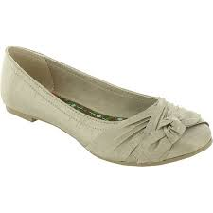 | 169 | 34 | 12 | 29 | 21 | 27 | 24 |  | 3 | 7 | 12
046 | ASSOC | ASSOCIATED FOOTWEAR INC | 012221 | 209496 | MEMORIES THAI SILK | RAW IRON | 18504 |  | 121 | 16 | 16 | 12 | 15 | 24 | 32 | 1 | 1 | 1 | 3
046 | ASSOC | ASSOCIATED FOOTWEAR INC | 012221 | 209496 | MEMORIES THAI SILK | DARK RED | 18505 |  | 149 | 30 | 19 | 33 | 6 | 25 | 33 | 1 | 0 | 1 | 1
046 | ASSOC | ASSOCIATED FOOTWEAR INC | 012221 | 209496 | MYRNA THAI SILK | BLACK | 18506 | 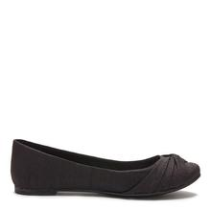 | 295 | 41 | 36 | 0 | 17 | 54 | 74 | 54 | 19 | 0 | 0
046 | ASSOC | ASSOCIATED FOOTWEAR INC | 012221 | 209496 | MYRNA THAI SILK | NAVY | 18507 | 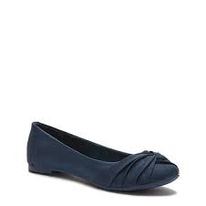 | 804 | 81 | 76 | 127 | 112 | 158 | 167 | 37 | 0 | 46 | 0
046 | ASSOC | ASSOCIATED FOOTWEAR INC | 012221 | 209496 | MEMORIES THAI SILK | BLACK | 18528 | 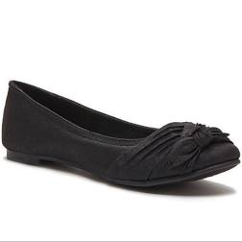 | 39 |  |  |  |  |  |  |  | 30 |  | 9
046 | ASSOC | ASSOCIATED FOOTWEAR INC | 012221 | 209496 | MYRNA THAI SILK | SESAME | 18529 | 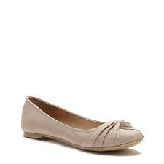 | 587 | 74 | 59 | 46 | 38 | 90 | 131 | 32 | 33 | 43 | 41
046 | ASSOC | ASSOCIATED FOOTWEAR INC | 012221 | 209496 | MYRNA THAI SILK | RAW IRON | 18530 | 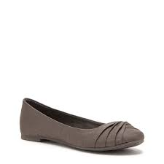 | 114 | 40 | 25 | 18 | 1 | 6 | 24
046 | ASSOC | ASSOCIATED FOOTWEAR INC | 012221 | 209496 | MYRNA THAI SILK | DARK RED | 18508 |  | 241 | 37 | 36 | 51 | 50 | 30 | 37
046 | ASSOC | ASSOCIATED FOOTWEAR INC | 012221 | 209496 | YEEHAW COAST FABRIC | BLACK | 18509 |  | 340 | 29 | 31 | 39 | 37 | 61 | 57 | 25 | 20 | 26 | 15
046 | ASSOC | ASSOCIATED FOOTWEAR INC | 012221 | 209496 | YEEHAW COAST FABRIC | TAN | 18531 |  | 340 | 29 | 30 | 45 | 43 | 54 | 62 | 23 | 13 | 33 | 8
046 | ASSOC | ASSOCIATED FOOTWEAR INC | 012221 | 209496 | YUMA COAST FABRIC | BLACK | 18532 |  | 291 | 22 | 23 | 28 | 28 | 47 | 46 | 23 | 19 | 24 | 19
046 | ASSOC | ASSOCIATED FOOTWEAR INC | 012221 | 209496 | YUMA COAST FABRIC | SAND | 18533 |  | 286 | 23 | 24 | 29 | 29 | 48 | 48 | 24 | 19 | 24 | 18
 |  |  |  |  |  |  |  |  | 3961

